Format+Extract
Instructions:
- Format and extract Table A using Power Query.
- Separate the First Name and Last Name into different columns
- Capitalizing each word.
- Separate the Division and Position into different columns.
- Create Employee Codes in the format K-88, K-42, etc.

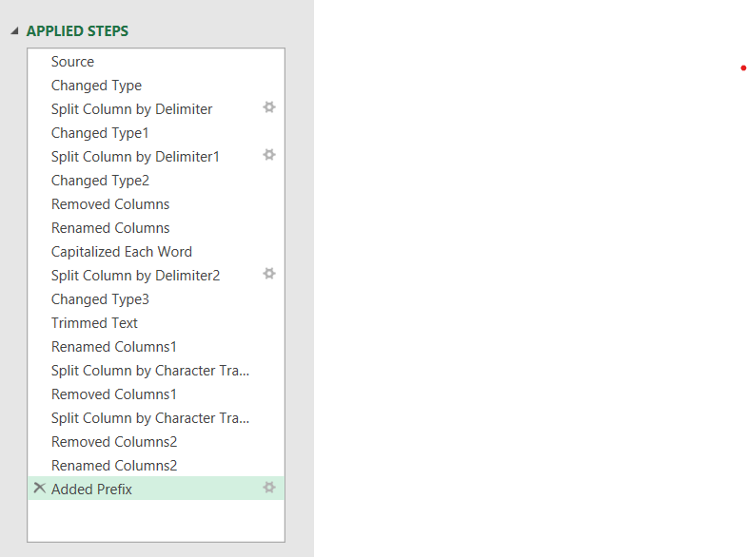
Table A |  |  | Result Format and extract from Table A
Full Name | Division / Position | Employee Code | First Name | Last Name | Division | Position | Employee Code | Applied Steps - Power Query
Andriawan zain | Finance / Manager | Zain88Andriawan | Andriawan | Zain | Finance | Manager | K-88
Givan Indriany | Finance / GM | Indriany42Givan | Givan | Indriany | Finance | GM | K-42
Hudzaifah Niroha | Finance / SPV | Niroha13Hudzaifah | Hudzaifah | Niroha | Finance | SPV | K-13
Deristya muhammad | Finance / Executive | Muhammad39Deristya | Deristya | Muhammad | Finance | Executive | K-39
Syarief Pratiwi | Finance / Executive | Pratiwi57Syarief | Syarief | Pratiwi | Finance | Executive | K-57
Aswin Nugraha | Marketing / Manager | Nugraha78Aswin | Aswin | Nugraha | Marketing | Manager | K-78
Avicenna irawan | Marketing / SPV | Wirawan35Avicenna | Avicenna | Irawan | Marketing | SPV | K-35
Fauzan Purwahyuningrum | Marketing / Executive | Purwahyuningrum79Fauzan | Fauzan | Purwahyuningrum | Marketing | Executive | K-79
Yuda Nazarullah | Marketing / Executive | Nazarullah54Yuda | Yuda | Nazarullah | Marketing | Executive | K-54
Riechal Indriani | Marketing / Executive | Indriani45Riechal | Riechal | Indriani | Marketing | Executive | K-45
Rico Andrilla Rini | HRD / Manager | Rini19Rico | Rico | Rini | HRD | Manager | K-19
Aditya Wahyuni | HRD / GM | Wahyuni77Aditya | Aditya | Wahyuni | HRD | GM | K-77
Reynaldi Radja Rudiatin | HRD / SPV | Rudiatin55Reynaldi | Reynaldi | Rudiatin | HRD | SPV | K-55
Reksa Tio | HRD / Executive | Tio26Reksa | Reksa | Tio | HRD | Executive | K-26
Ferdiansyah Sebastian Audy | R&D / Executive | Audy32Ferdiansyah | Ferdiansyah | Audy | R&D | Executive | K-32
Geraldi FARISDA | R&D / Executive | Farida38Geraldi | Geraldi | Farisda | R&D | Executive | K-38
Irlan Aldian | R&D / Executive | Aldian34Irlan | Irlan | Aldian | R&D | Executive | K-34
Anas Taufik Indra | R&D / Executive | Indra36Anas | Anas | Indra | R&D | Executive | K-36
Herdaru Destrya | Business Dev / Manager | Destrya41Herdaru | Herdaru | Destrya | Business Dev | Manager | K-41
Firas Susfa | Business Dev / Executive | Susfa25Firas | Firas | Susfa | Business Dev | Executive | K-25
Sunyi Wijaya | Sales / Intern | Wijaya10Sunyi | Sunyi | Wijaya | Sales | Intern | K-10
Izhar Cahyani | Sales / Intern | Cahyani30Izhar | Izhar | Cahyani | Sales | Intern | K-30
Rifqy Yunika | Sales / Intern | Yunika15Rifqy | Rifqy | Yunika | Sales | Intern | K-15
Marvel Ariefandi | Sales / Intern | Ariefandi95Marvel | Marvel | Ariefandi | Sales | Intern | K-95
Ferhat Nustantomo | Sales / Intern | Nustantomo90Ferhat | Ferhat | Nustantomo | Sales | Intern | K-90

SplitColumn
Instructions:
- Use the source data from data.csv.
- Split the following columns: Dept, ID, Name (without titles), Age, and Email (new format: firstname.initials@gosmile.com).

Source Data\data csv.csv

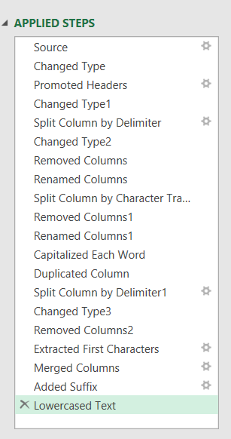
 |  |  | Result SplitColumn from data.csv
Dept | Name | Age | Email | Applied Steps - Power Query
MAR | Fajar Haq | 37 | fajar.h.@gosmile.com
BD | Sujendro Qonita | 43 | sujendro.q.@gosmile.com
OPS | Richard Saradina | 36 | richard.s.@gosmile.com
OPS | Deristya Nurfitria | 40 | deristya.n.@gosmile.com
HR | Rizki Setyawati | 38 | rizki.s.@gosmile.com
OPS | Mubarak Idrus | 37 | mubarak.i.@gosmile.com
BD | Nauval Wicaksono | 39 | nauval.w.@gosmile.com
FIN | Haris Riyadie | 45 | haris.r.@gosmile.com
R&D | Firdaus Ciptasari | 45 | firdaus.c.@gosmile.com
OPS | Thomas Ardief | 41 | thomas.a.@gosmile.com
OPS | Garin Fachrully | 44 | garin.f.@gosmile.com
OPS | Fadhlir Satrya Tabriiz | 41 | fadhlir.s.t@gosmile.com
MAR | Anas Nurfalah | 35 | anas.n.@gosmile.com
MAR | Yandra Permatasari | 38 | yandra.p.@gosmile.com
BD | Derilandry Prapastia | 39 | derilandry.p.@gosmile.com
FIN | Zulfa Mawaldi | 37 | zulfa.m.@gosmile.com
BD | Della Mirza | 41 | della.m.@gosmile.com
R&D | Demi Sulistiyo | 41 | demi.s.@gosmile.com
R&D | Yusnizar Anisha Wildani | 38 | yusnizar.a.w@gosmile.com

SplitRow
Instructions:
- Split by rows: Type of Mainan, by Variasi Warna and Harga.
- Then create a Pivot Table Report for each available color variation.
- Use the source from data.pdf

Source Data\data pdf.pdf

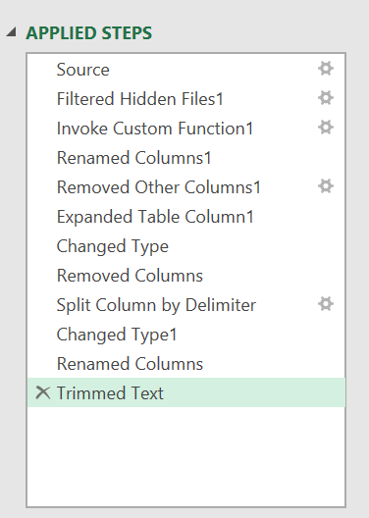
 | Result Split Rows from data.pdf |  |  | Result Pivot Table Report for each available color variation
Mainan (Toy) | Variasi Warna (Color variation) | Harga (Price) | Applied Steps - Power Query | Variasi Warna (Color variation) | Count of Variasi Warna (Color variation)
Robot | Biru Muda | 4000 |  | Hitam | 3
Robot | Merah | 4000 |  | Putih | 3
Robot | Hitam | 4000 |  | Merah | 2
Robot | Kuning Muda | 4000 |  | Kuning | 2
Robot | Putih | 4000 |  | Biru | 2
Mobil-Mobilan | Merah Muda | 5000 |  | Biru Laut | 1
Mobil-Mobilan | Biru Laut | 5000 |  | Abu-Abu | 1
Mobil-Mobilan | Biru | 5000 |  | Merah Muda | 1
Mobil-Mobilan | Abu-Abu | 5000 |  | Orange | 1
Catur | Hitam | 3500 |  | Biru Muda | 1
Catur | Putih | 3500 |  | Kuning Muda | 1
Lego | Merah | 3500 |  | Grand Total | 18
Lego | Orange | 3500
Lego | Biru | 3500
Lego | Kuning | 3500
Congklak | Putih | 5000
Congklak | Hitam | 5000
Congklak | Kuning | 5000

FillupFillDown
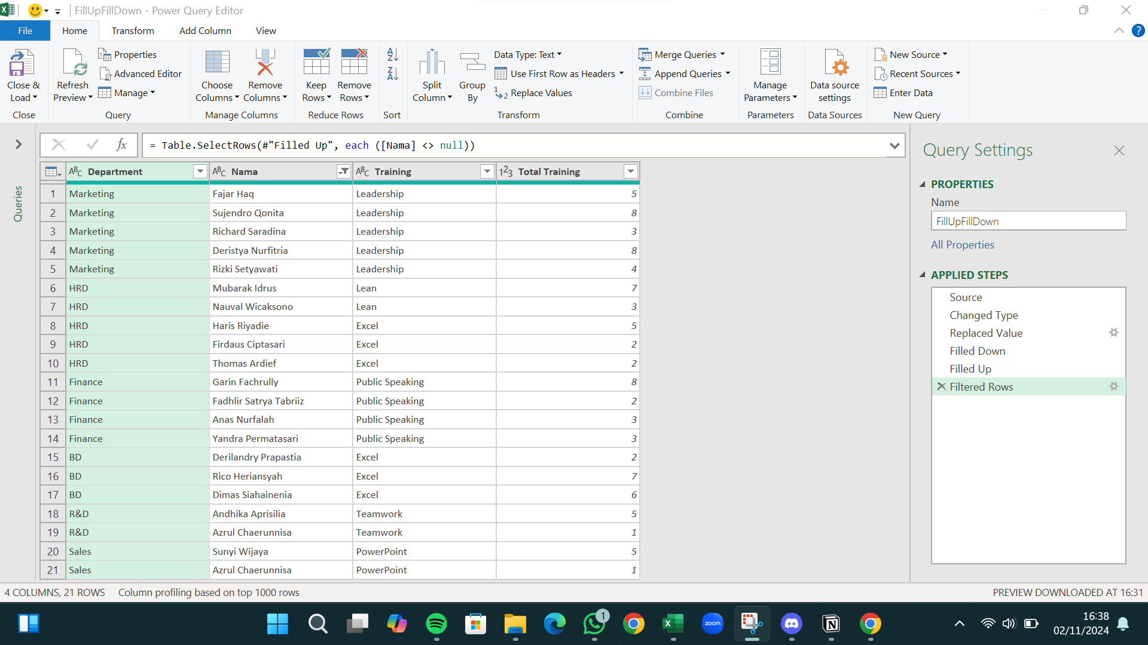
Instructions:
- Perform Fill Up/Fill Down on Table B using Power Query.
- Then create a "Pivot Table Report" displaying the total training summary for each Department according to the training categories.

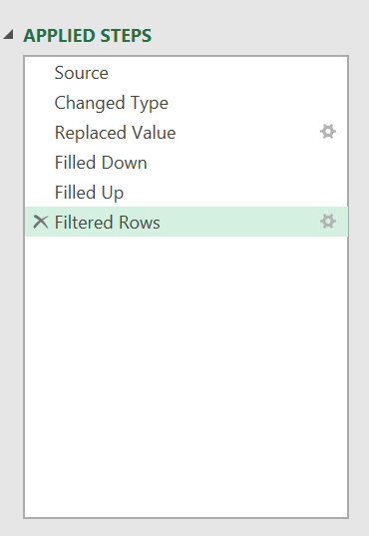
Tabel B |  |  |  | Result FillupFillDown from Tabel B |  |  |  |  | Summary : Total Training by Department
Department | Name | Training | Total Training | Department | Name | Training | Total Training | Applied Steps - Power Query | Row Labels | Sum of Total Training
Marketing | Fajar Haq |  | 5 | Marketing | Fajar Haq | Leadership | 5 |  | BD | 15
 | Sujendro Qonita |  | 8 | Marketing | Sujendro Qonita | Leadership | 8 |  | Excel | 15
 | Richard Saradina |  | 3 | Marketing | Richard Saradina | Leadership | 3 |  | Finance | 16
 | Deristya Nurfitria |  | 8 | Marketing | Deristya Nurfitria | Leadership | 8 |  | Public Speaking | 16
 | Rizki Setyawati |  | 4 | Marketing | Rizki Setyawati | Leadership | 4 |  | HRD | 19
 |  | Leadership | 28 | HRD | Mubarak Idrus | Lean | 7 |  | Excel | 9
HRD | Mubarak Idrus |  | 7 | HRD | Nauval Wicaksono | Lean | 3 |  | Lean | 10
 | Nauval Wicaksono |  | 3 | HRD | Haris Riyadie | Excel | 5 |  | Marketing | 28
 |  | Lean | 10 | HRD | Firdaus Ciptasari | Excel | 2 |  | Leadership | 28
HRD | Haris Riyadie |  | 5 | HRD | Thomas Ardief | Excel | 2 |  | R&D | 6
 | Firdaus Ciptasari |  | 2 | Finance | Garin Fachrully | Public Speaking | 8 |  | Teamwork | 6
 | Thomas Ardief |  | 2 | Finance | Fadhlir Satrya Tabriiz | Public Speaking | 2 |  | Sales | 6
 |  | Excel | 9 | Finance | Anas Nurfalah | Public Speaking | 3 |  | PowerPoint | 6
Finance | Garin Fachrully |  | 8 | Finance | Yandra Permatasari | Public Speaking | 3 |  | Grand Total | 90
 | Fadhlir Satrya Tabriiz |  | 2 | BD | Derilandry Prapastia | Excel | 2
 | Anas Nurfalah |  | 3 | BD | Rico Heriansyah | Excel | 7
 | Yandra Permatasari |  | 3 | BD | Dimas Siahainenia | Excel | 6
 |  | Public Speaking | 16 | R&D | Andhika Aprisilia | Teamwork | 5
BD | Derilandry Prapastia |  | 2 | R&D | Azrul Chaerunnisa | Teamwork | 1
 | Rico Heriansyah |  | 7 | Sales | Sunyi Wijaya | PowerPoint | 5
 | Dimas Siahainenia |  | 6 | Sales | Azrul Chaerunnisa | PowerPoint | 1
 |  | Excel | 15
R&D | Andhika Aprisilia |  | 5
 | Azrul Chaerunnisa |  | 1
 |  | Teamwork | 6
Sales | Sunyi Wijaya |  | 5
 | Azrul Chaerunnisa |  | 1
 |  | PowerPoint | 6

RemoveDuplicates
Instructions:
- Remove Duplicates on Table C using Power Query.
- Remove duplicates from Dept/Name/Position and convert the Dept column to uppercase.
- Sort rows by the Dept and Position columns.

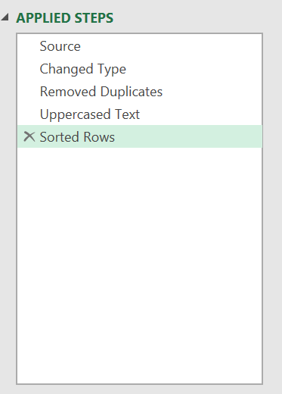
Tabel C |  |  |  | Result RemoveDuplicates from Tabel C
Dept | Name | Position | Dept | Name | Position | Applied Steps - Power Query
MAR | Anas Nurfalah | Executive | BD | Della Mirza | Executive
bd | Della Mirza | Executive | BD | Derilandry Prapastia | GM
R&D | Demi Sulistiyo | Executive | BD | Sujendro Qonita | Manager
BD | Derilandry Prapastia | GM | BD | Sujendro Qonita | Manager
OPS | Deristya Nurfitria | Executive | FIN | Haris Riyadie | Executive
OPS | Deristya Nurfitria | Executive | FIN | Zulfa Mawaldi | SPV
ops | Fadhlir Satrya Tabriiz | GM | HR | Rizki Setyawati | Executive
MAR | Fajar Haq | Manager | MAR | Anas Nurfalah | Executive
R&D | Firdaus Ciptasari | Executive | MAR | Fajar Haq | Manager
OPS | Garin Fachrully | Manager | MAR | Yandra Permatasari | Manager
Fin | Haris Riyadie | Executive | OPS | Deristya Nurfitria | Executive
OPS | Richard Saradina | Executive | OPS | Richard Saradina | Executive
HR | Rizki Setyawati | Executive | OPS | Thomas Ardief | Executive
BD | Sujendro Qonita | Manager | OPS | Fadhlir Satrya Tabriiz | GM
Bd | Sujendro Qonita | Manager | OPS | Garin Fachrully | Manager
OPS | Thomas Ardief | Executive | R&D | Demi Sulistiyo | Executive
MAR | Yandra Permatasari | Manager | R&D | Firdaus Ciptasari | Executive
R&D | Yusnizar Anisha Wildani | Manager | R&D | Yusnizar Anisha Wildani | Manager
FIN | Zulfa Mawaldi | SPV

Append
Instructions:
- Combine data from a folder (Append).
- Use data from the "Multiple files" folder.
- Combine and transform the data, as well as cleanse it.
- Display only the names that are registered and present.

Multiple files
 |  | Result Append from "Multiple files" folder
Date | Registered Name | Present? | Applied Steps - Power Query
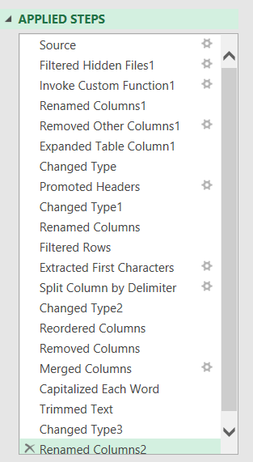
2023-01-01 | Sunyi | x
2023-01-01 | Satrya | x
2023-01-01 | Anugrah | x
2023-01-01 | Fauzi | x
2023-01-01 | Sakti | x
2023-01-01 | Revi | x
2023-02-01 | Teddo | x
2023-02-01 | Yola | x
2023-02-01 | Mirza | x
2023-02-01 | Cakra | x
2023-02-01 | Deka | x
2023-02-01 | Cardito | x
2023-03-01 | Ananda | x
2023-03-01 | Redian | x
2023-03-01 | Ismail | x
2023-03-01 | Arrivaldi | x
2023-03-01 | Fauzan | x
2023-04-01 | Rico | x
2023-04-01 | Arrivaldi | x
2023-04-01 | Thomas | x
2023-04-01 | Julius | x
2023-05-01 | Sayuti | x
2023-05-01 | Linda | x
2023-05-01 | Anggi | x
2023-05-01 | Zaeni | x
2023-06-01 | Anjelia | x
2023-06-01 | Rian | x
2023-06-01 | Tian | x
2023-06-01 | Saputra | x

